One Pager
Safety Dashboard - Week 2 - Date #-#-##

Total Incidents |  |  | Total Unsafe Act | Total NCR | Weekley Safe - Hours |  | Cumulative Safe - Hours
23 |  |  | 82 | 16 | 1350 |  | 7670

21
Days
Since Last Accident
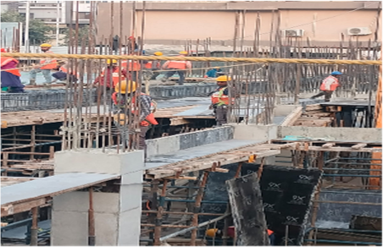
Tool Box Talk |  |  | HSE Induction |  |  | Major Safety Incident -This Week
7 |  |  | 2 |  |  | Working without Rope > 3m

This Week |  |  | This Week
39 |  |  | 19

Cumulative |  |  | Cumulative

Risk Summary

 |  |  |  |  |  |  | Safety Mantra - Week #

 |  |  |  |  |  |  | " No Job is so Difficult that we cannot do it Safely"

Total Site Instruction | 23
Total Unsafe Act | 82
Total NCR | 16
Weekley Safe Man Hours | 1350
Total Safe man Hours | 7670

Sr.No | Observation | Open | Closed
1 | Site instruction | 6 | 17
2 | Unsafe Act | 39 | 43
3 | NCR | 11 | 5

Sr.No | Observation | Open | Closed
1 | Unsafe Act | 39 | 43

Sr.No | Observation | Open | Closed
1 | NCR | 11 | 5

